Summary and Charts
Statistics | Charts | Trades | Formula | Settings | Symbols | Monte Carlo
 |  |  |  | 1. Portfolio Equity
Statistics
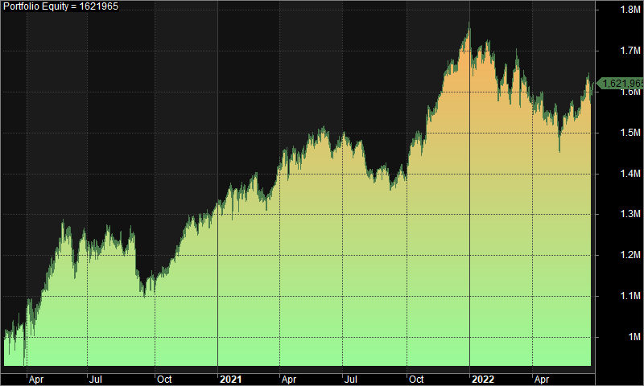
 | All trades | Long trades | Short trades
Initial capital | 1000000 | 1000000 | 1000000
Ending capital | 1621965.37 | 1000000 | 1621965.37
Net Profit | 621965.37 | 0 | 621965.37
Net Profit % | 62.20% | 0.00% | 62.20%
Exposure % | 5.25% | 0.00% | 5.25%
Net Risk Adjusted Return % | 1184.40% | N/A | 1184.40%
Annual Return % | 22.99% | 0.00% | 22.99%
Risk Adjusted Return % | 437.83% | N/A | 437.83%
Total transaction costs | 418287.56 | 0 | 418287.56

All trades | 355 | 0 (0.00 %) | 355 (100.00 %)
Avg. Profit/Loss | 1752.02 | N/A | 1752.02
Avg. Profit/Loss % | 4.26% | N/A | 4.26%
Avg. Bars Held | 117.43 | N/A | 117.43

Winners | 166 (46.76 %) | 0 (0.00 %) | 166 (46.76 %)
Total Profit | 3250131.8 | 0 | 3250131.8
Avg. Profit | 19579.11 | N/A | 19579.11
Avg. Profit % | 39.75% | N/A | 39.75%
Avg. Bars Held | 182.46 | N/A | 182.46
Max. Consecutive | 10 | 0 | 10
Largest win | 89172.35 | 0 | 89172.35
# bars in largest win | 332 | 0 | 332
 |  |  |  | 2. Underwater Equity

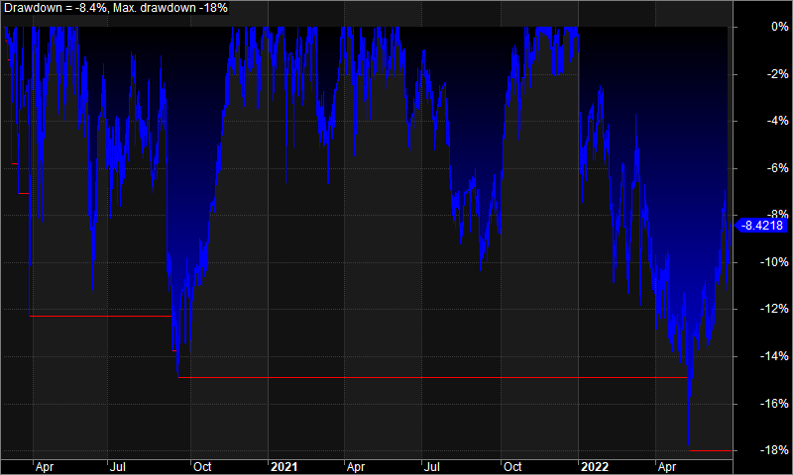
Losers | 189 (53.24 %) | 0 (0.00 %) | 189 (53.24 %)
Total Loss | -2628166.44 | 0 | -2628166.44
Avg. Loss | -13905.64 | N/A | -13905.64
Avg. Loss % | -26.91% | N/A | -26.91%
Avg. Bars Held | 60.32 | N/A | 60.32
Max. Consecutive | 10 | 0 | 10
Largest loss | -78362.18 | 0 | -78362.18
# bars in largest loss | 156 | 0 | 156

Max. trade drawdown | -106372.66 | 0 | -106372.66
Max. trade % drawdown | -93.52 | 0 | -93.52
Max. system drawdown | -318963.81 | 0 | -318963.81
Max. system % drawdown | -18.01% | 0.00% | -18.01%
Recovery Factor | 1.95 | N/A | 1.95
CAR/MaxDD | 1.28 | N/A | 1.28
RAR/MaxDD | 24.31 | N/A | 24.31
Profit Factor | 1.24 | N/A | 1.24
Payoff Ratio | 1.41 | N/A | 1.41
Standard Error | 72768.18 | 0 | 72768.18
Risk-Reward Ratio | 3.5 | N/A | 3.5
Ulcer Index | 6.23 | 0 | 6.23
Ulcer Performance Index | 2.83 | N/A | 2.83
Sharpe Ratio of trades | 1.03 | 0 | 1.03
K-Ratio | 0.01 | N/A | 0.01

 |  |  |  | 3. Profit Table

 |  |  |  | Year | Jan | Feb | Mar | Apr | May | Jun | Jul | Aug | Sep | Oct | Nov | Dec | Yr%
 |  |  |  | 2020 | N/A | -0.40% | 4.60% | 7.20% | 13.80% | -3.60% | 3.30% | -1.60% | -8.20% | 4.20% | 7.20% | 4.10% | 32.90%
 |  |  |  | 2021 | 1.70% | 0.90% | 3.80% | 0.60% | 5.60% | -1.40% | -1.00% | -3.80% | -1.50% | 8.00% | 9.60% | 6.80% | 32.50%
 |  |  |  | 2022 | -2.10% | -7.40% | -1.40% | -2.00% | 1.70% | 3.40% | N/A | N/A | N/A | N/A | N/A | N/A | -7.90%
 |  |  |  | Avg | -0.20% | -2.30% | 2.30% | 1.90% | 7.00% | -0.50% | 1.20% | -2.70% | -4.80% | 6.10% | 8.40% | 5.50%

